ASHP Calculation
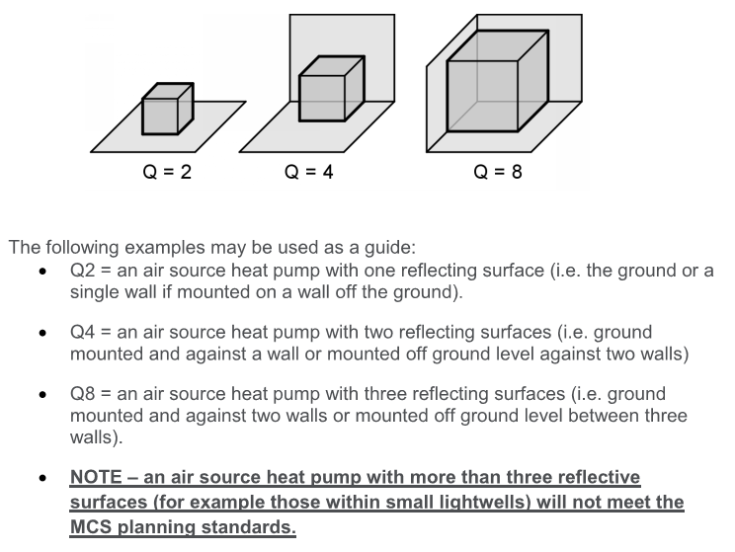
Air source heat pumps |  |  | The numbers shown are examples and are not
 |  |  | associated with any particular installation
Forward Calculation

Step 1 | SWL dBA | 55
Step 2 | Directivity (Q) | 8 | in corner of two walls and ground
Step 3 | Distance from heat pump to assessment position (m) | 4
Step 4 | dB distance reduction | -14 | *note using formulae not table
Step 5 | Barrier correction (-10dB, -5dB, 0dB) | -5 | Just visible (moving 25cm, in any direction, the assessment point can be seen from ASHP)
Step X | Character correction dB | 6
Step 6 | Calculate SPL | 42

Reverse Calculation

 | SPL limit (dBA) | 42
 | Directivity (Q) | 4 | Near wall and on ground
 | Distance from heat pump to assessment position (m) | 8
 | dB distance reduction | -23 | *note using formulae not table
 | Barrier correction (-10dB, -5dB, 0dB) | -5 | Just visible (moving 25cm, in any direction, the assessment point can be seen from ASHP)
 | Character correction dB | 6
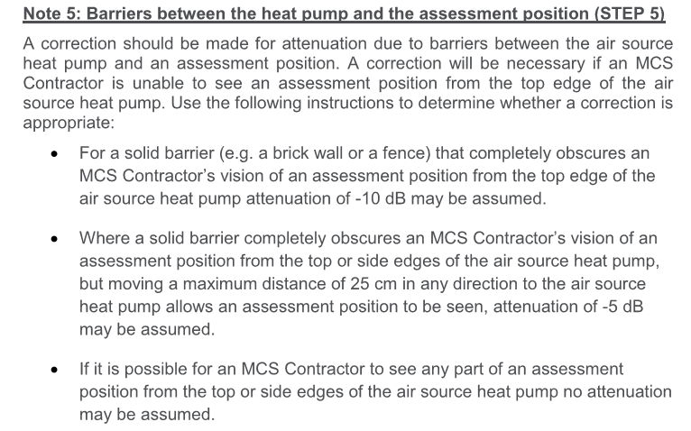
 | SWL limit (dBA) | 64

 | Note:
 | Neither the Institute of Acoustics nor the Chartered Institute of Environmental Health
 | will be held responsible for any issues arising from the use of this spreadsheet.

 | The user must satisfy themselves that the results generated
 | are applicable to the installation being investigated

